Lo-Shu
 | ACHARYA |  | D | D |  | M | M | Y | Y | Y | Y |  | Age |  |  | Lo Shu
 | Date of Birth | 1979-01-29 | 2 | 9 |  | 0 | 1 | 1 | 9 | 7 | 9 |  | 46.59 |  |  |  |  | Raj Yog 2
 | 29-Jan |  | 2 | 9 | 29 | 0 | 1 | 1 | 9 | 7 | 9 |  |  |  | Thought | Will | Action
 | 29-01-1979 | Zodiac & Element | BD |  |  | BM |  | BY |  |  |  |  |  |  | 4 (Rahu) | 9 (Mangal) | 2 (Chandra) | Mental Plane
 |  | Aquarius - Air | 11 |  |  | 1 |  | 26 |  |  |  |  |  |  | #REF! | #REF! | #REF!
 |  |  |  | 2 |  | 1 |  | 8 |  |  |  |  |  |  | 3 (Guru) | 5 (Budh) | 7 (Ketu) | Emotional Plane
 | BD | 2 | 2 |  |  |  |  |  |  |  |  |  |  |  | #REF! | #REF! | #REF!
 | Date Value | #REF! |  |  |  |  |  |  |  |  |  |  |  |  | 8 (Shani) | 1 (Surya) | 6 (Shukr) | Practical Plane
 | LP | 2 | 2 |  |  |  |  |  |  |  |  |  |  |  | #REF! | #REF! | #REF!
 | Adjustment | 3 |  |  |  |  |  |  |  |  |  |  |  |  |  |  |  | Raj Yog 1
KUA | female | 3 | 3
 |  |  |  |  |  |  |  |  |  |  |  |  |  | Yin & Yang Enegery Table
Current Name |  |  |  |  |  |  |  |  |  |  | Old Aspects / Compatibility |  |  | 1 | 2 | Yang
First Name | ACHARYA |  | #REF! | #REF! | #REF! | #REF! |  | Current |  |  | With BD | With LP |  | 2 | 3 | Yin
Middle Name | KAMLESH |  | #REF! | #REF! |  |  |  | BD |  | 2 | 0 | Active |  | 3 | 1 | Yang
Last Name | MEENA |  | #REF! | #REF! |  |  |  | LP |  | 2 |  |  |  | 4 | 0 | Yin
 |  |  | #REF! | #REF! | #REF! | #REF! |  | FN | #REF! | #REF! | #REF! | #REF! |  | 5 | 0 | Yang
 |  |  |  |  |  |  |  | EXP | #REF! | #REF! | #REF! | #REF! |  | 6 | 0 | Yin
 |  |  |  |  |  |  |  | SU | #REF! | #REF! | #REF! | #REF! |  | 7 | 1 | Yang
 |  |  |  |  |  |  |  | SS | #REF! | #REF! | #REF! | #REF! |  | 8 | 0 | Yin
 |  |  |  |  |  |  |  |  |  |  |  |  |  | 9 | 3 | Yang

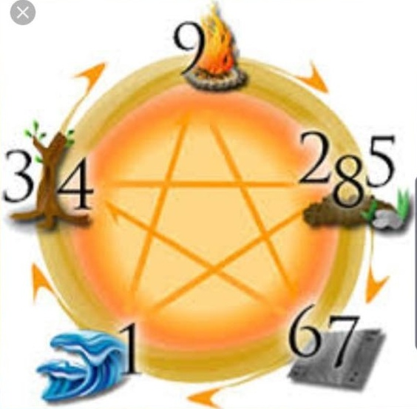
Option 1 |  |  |  |  |  |  |  |  |  |  | Old Aspects / Compatibility |  |  |  | Yang | 7
First Name | KAAMLESH |  | #REF! | #REF! | FN | #REF! |  | Core 1 |  |  | With BD | With LP |  |  | Yin | 3
Middle Name | 0 |  | #REF! | #REF! |  |  |  | BD |  | 2 | 0 | Active
Last Name | 0 |  | #REF! | #REF! |  |  |  | LP |  | 2
 |  |  | #REF! | #REF! | EXP | #REF! |  | FN | #REF! | #REF! | #REF! | #REF!
 |  |  |  |  |  |  |  | EXP | #REF! | #REF! | #REF! | #REF!
 |  |  |  |  |  |  |  | SU | #REF! | #REF! | #REF! | #REF!
 |  |  |  |  |  |  |  | SS | #REF! | #REF! | #REF! | #REF!

Option 2 |  |  |  |  |  |  |  |  |  |  | Old Aspects / Compatibility
First Name | KAMLESH |  | #REF! | #REF! | FN | #REF! |  | Core 2 |  |  | With BD | With LP
Middle Name | VIJAY |  | #REF! | #REF! |  |  |  | BD |  | 2 | 0 | Active
Last Name | 0 |  | #REF! | #REF! |  |  |  | LP |  | 2
 |  |  | #REF! | #REF! | EXP | #REF! |  | FN | #REF! | #REF! | #REF! | #REF!
 |  |  |  |  |  |  |  | EXP | #REF! | #REF! | #REF! | #REF!
 |  |  |  |  |  |  |  | SU | #REF! | #REF! | #REF! | #REF!
 |  |  |  |  |  |  |  | SS | #REF! | #REF! | #REF! | #REF!

Option 3 |  |  |  |  |  |  |  |  |  |  | Old Aspects / Compatibility
First Name | 0 |  | #REF! | #REF! | FN | #REF! |  | Core 3 |  |  | With BD | With LP
Middle Name | 0 |  | #REF! | #REF! |  |  |  | BD |  | 2 | 0 | Active
Last Name | 0 |  | #REF! | #REF! |  |  |  | LP |  | 2
 |  |  | #REF! | #REF! | EXP | #REF! |  | FN | #REF! | #REF! | #REF! | #REF!
 |  |  |  |  |  |  |  | EXP | #REF! | #REF! | #REF! | #REF!
 |  |  |  |  |  |  |  | SU | #REF! | #REF! | #REF! | #REF!
 |  |  |  |  |  |  |  | SS | #REF! | #REF! | #REF! | #REF!

